Mill Procedure
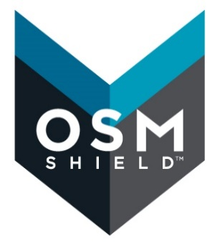
 | OSM Shield Mill Procedure

 | OSM Shield Innovations Center |  |  |  | Created By: | Lena McCord
 | 12789 Emerson St. |  |  |  |  | Technology & Innovations Manager
 | Thornton, CO 80241 |  |  |  |  | lmccord@osmshield.com
 |  |  |  |  | Date:

Customer:
Fabric:
Recipe:
Treatment Notes:
The pH of the finishing bath must be between 4-5 and should be monitored throughout the production run. Adjust with 0.25 g/L acetic acid as needed.
*See WPU procedures for instructions on calculating this value
 | Chemical | Amt (kg) @ 100% WPU | Custom Calculation | Amt (kg)
 |  |  | WPU (%)* | 100%

 | Bath Size | 100 | Bath Size | 100
 | Water | 100 | Water | 100.00

Curing temperature:
Curing time:

